Response Screenshot
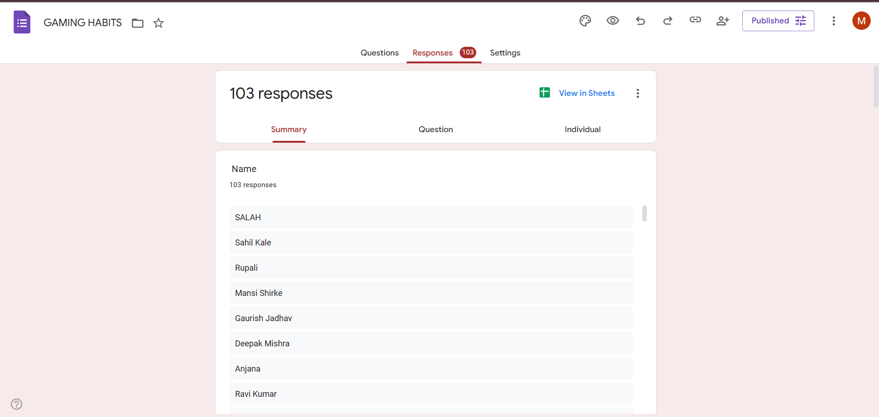

Data Visualization
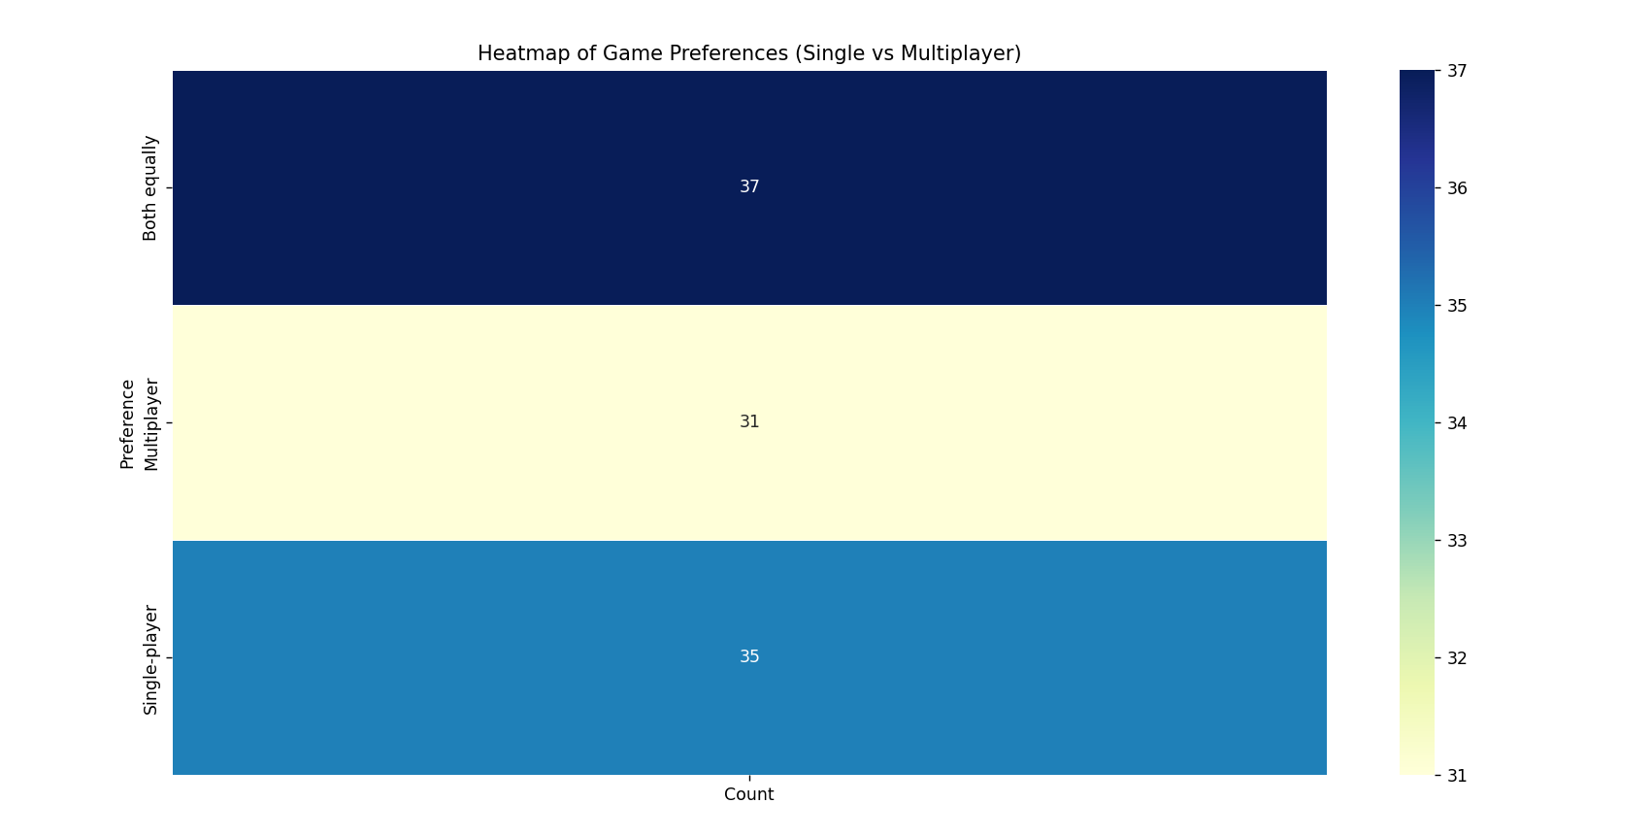
Data Visualization:

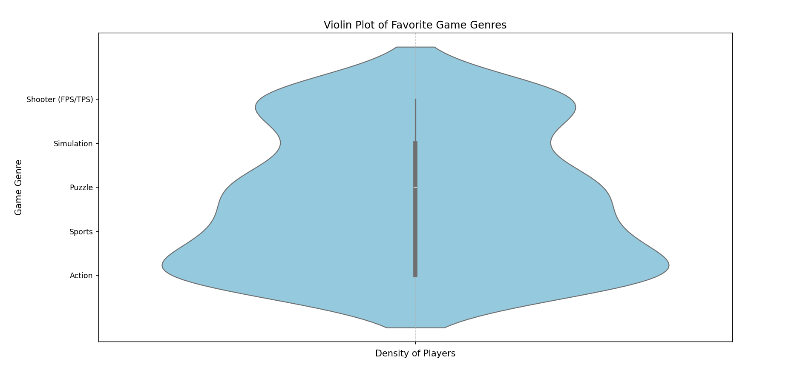
1,Represents what motivates the users to play games. | 2.Shows favourite game genre of users.
Scatter Plot: | Violin Plot:
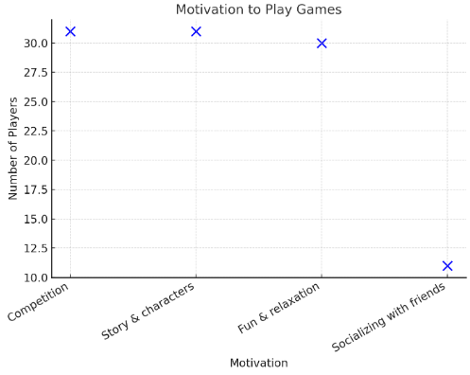

3.Heatmap of the Game Preference.
Heatmap:

